1. Title Page
[Instacart Grocery Basket Analysis]

Project Name: Instacart Grocery Basket Analysis
Date: January 1, 2023
Analyst Name: Ibrahim Lisso

Contents:
Population Flow
Consistency checks
Wrangling steps
Column derivations
Visualizations
Recommendations

Sources;

Customer Dataset

Data Dictionary

Citation (required in your final report): “The Instacart Online Grocery Shopping Dataset 2017”, Accessed from https://www.instacart.com/datasets/grocery-shopping-2017 on <date>.

2. Population Flow
Title page

Population flow

Exclusion flag
Condition: max_order <
Obervations to be removed:
Final total count of order_products_all:

Orders_products_combined
Orders_products_merged
Orders_products_all

Total: 32,404,859
Total: 32,434,489
Total: 32,404,859

1.) The grey boxes in the first row of the population flow represent the original data sets as they were when you downloaded them. In the Total fields you need to add the count of the rows when you imported the data set into Jupyter.
2.) The second row of boxes (coloured) represents the data sets after you manipulated them, e.g., removed missing values and duplicates. In the Total fields you need to add the count of the rows after conducting these operations. This offers a visual oveview of how the data flows throughout the data consistency checks.
3.) The third row, where also the arrows are coloured, represents the merges you performed between the datasets. In the Total fields you need to add the count of the rows in the merged datasets, so that you end up with the final dataset (in the red box). Keep in mind the final dataset should be without exclusions (based on the exclusion flag).

3. Consistency checks
 |  |  |  | Title page
Consistency checks

Dataset | Missing values | Missing values treatment | Duplicates
orders | 206,209 missing under Days Since Prior Order Column |  | No duplicates found in orders.csv dataset
products | 16 missing product_name | Filtered out to work with only non-missing ones as defined by the new dataframe | df_dups shows 5 duplicated records
orders_products_prior | None | None | None
customers | 11,259 first-name missing | Ignored as names are not necessary for performning analysis at this moment for this specific task | No duplicates found in customers.csv dataset

4. Wrangling steps
 |  |  |  | Title page
Wrangling steps

Columns dropped | Columns renamed | Columns' type changed | Comment/Reason

eval_set |  |  | Dropped from orders.csv = Not needed for the analysis

 | order_dow to 'orders_day_of_week' |  | Changed to meaningful header for easier understanding. Dropped from orders.csv

 | n-dependents to total_dependents |  | All these headers were updated for consistency-purposes from customers.csv dataset
 | STATE to state
 | Surnam to last_name
 | First Name to first_name
 | Age to age
 | Gender to gender
 | fam_status to marital_status

 |  | Converted 'user_id' and 'order_id' into string from numeric | Not needed for analysis hence the conversion.

5. Column derivations
 |  |  |  | Title page

Column derivations and aggregations

In this tab you should add tables below that the frequences of flags/label variables that you produced after deriving them. NB: don't do this for continuous variables, only for flags.
Dataset | New column | Column/s it was derived from | Conditions
Orders Products Merged (Orders_Products_T46.pkl) | busiest_day | orders_day_of_week | When Busiest Day = 0 If Least Day then 4 Everything else = Regular Day
 | Busiest_days | orders_day_of_week | 0 or 1 = Busiest Days 3 or 4 = Slowest Days or Else = Regulary Days
 | price_range_loc / Price_range | prices | Below $5 = Low-Range Product Between $5 and $14.99 = Mid-Range Product $15 or above = High-Range Product
 | busiest_period_of_day | order_hour_of_day | Most Orders = 9 and 16 Fewest Orders = 23 and 6 Average Orders = Everything else
 | max_order | order_number | Finding Maximum Orders from Dataset
Cust_Ords_Prods_T49A | age_category | age
Orders Products T47 (Orders Products Merged) | loyalty_flag | max_order | Loyal Customers = >40 Regular Customers = <= 40 max_order >10 New Customers = <= 10 Max_Order
 | Spender_Flag | Average Prices | Low Spenders = <$10 Mean price High Spenders = >$40
 | Average Prices | Prices | Finding Mean Prices from all products
 | Median Days Since Prior Order | Days Since Prior Order | Finding Median of each order day
 | frequency_flag | Median Days Since Prior Order | Non-Frequent Customers = Median >20 Regular Customers = >10 Median <=20 Frequent Customers = <=10
Cust_Ords_Prods_T49A | Income Group | Income | Customers <$200,000 = Low Earners Customers >$200,00 Income <= $400,000 = Mid-Earners Customers >$400,000 = High Earners
Cust_Ords_Prods_T49A | Regions | state | Region 1:
 |  |  | Region 2:
 |  |  | Region 3:
 |  |  | Region 3:
Cust_Ords_Prods_T49A | Activity Flag | max_order | max_order >5 = High Activity Customers max_order <5 = Low Activity Customers
Cust_Ords_Prods_T49A | Household Size | Total Dependents | <= 0 = Single Adults >1 Household Size <= 2 = Young Parent >2 = Big Family
Cust_Ords_Prods_T49A | Department | Department ID | Connecting Department from Department_Id

6. Visualizations
 |  | Title page

Visualisations

In this tab you should include all the visualtions from Exercises 4.9 and 4.10, alongside the questions from the project brief that they answer. Include any commentary on the relationship between different variables.

Note: Instacart is a real company that’s made their data available online. However, the contents of this project brief have been fabricated for the purpose of this Achievement.

Question 1: The Sales team needs to know what are the busiest days of the week and hours of the day for ads scheduling purposes
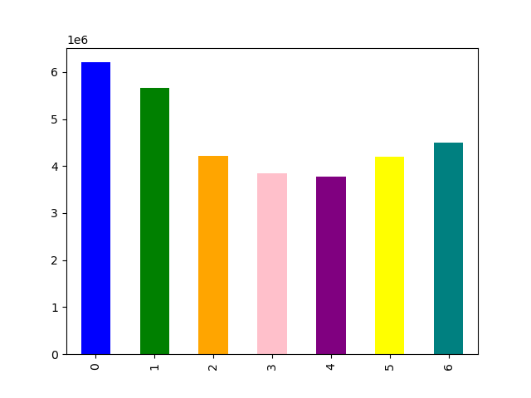
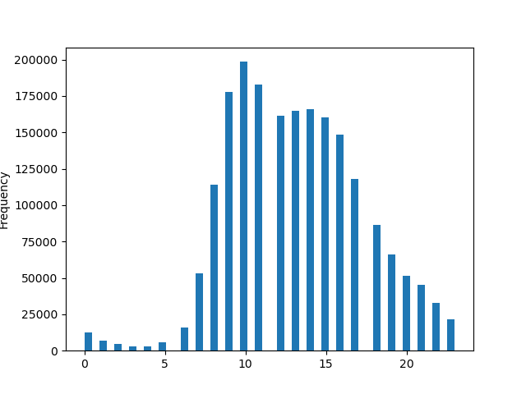
Prices by Hour of the Day

0 = Saturday
1 = Sunday
2 = Monday
3 = Tuesday
4 = Wednesday
5 = Thursday
6 = Friday

Total Orders

Day of Week | Hour of Day

Most busiest day = Saturday (6,204,182) Most Busiest Days = Saturday (6,204,182) and Sunday (5,660,230) Why so? - Most people are OFF on weekends hence do shopping for the week | Most Orders take place between 09:00am and 17:00pm. Highest at 10:00am (288,418 / 2,761,760) Ordering tends to drop heading towards nights until 07:00am when they start to pick up again. Less order-activities occurs around 00:00am and 06:00am maybe buyers are asleep or probably in a rush to prepare going to work.

Question 2: The Sales team also seeks to know what times do people spend the most money
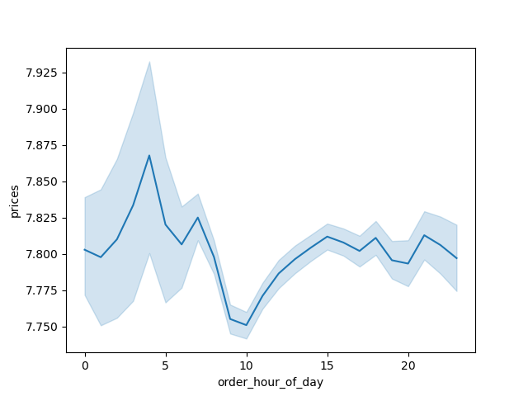
Customer's Expenditures

 | Prices tends to spike around 02:00am - 03:00am before falling. Prices appears to pick up from 10:00am before it stays stable with minimal drops and spike after 15:00am.

Question 3: Which Department has the highest frequency of product orders?
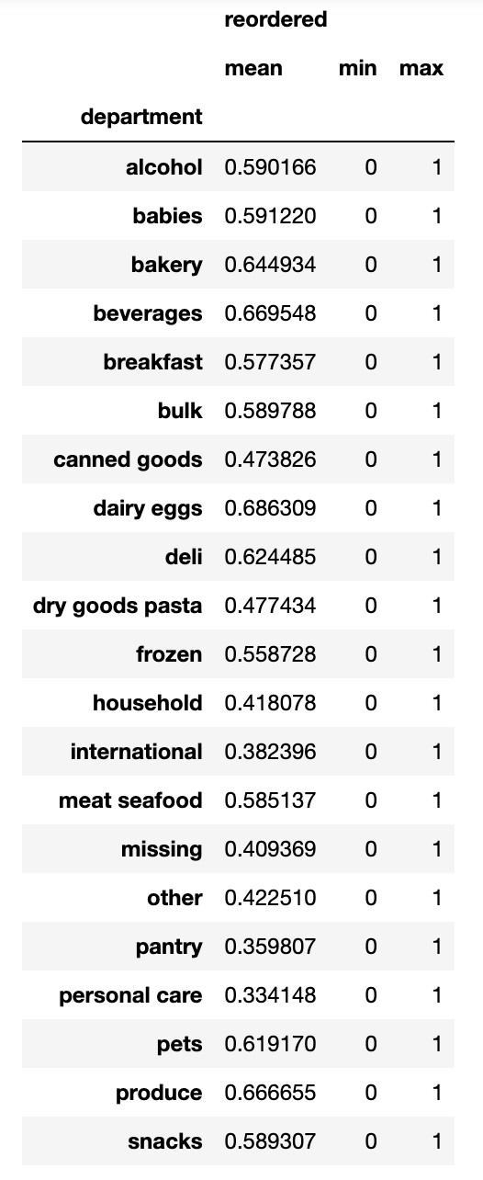

 | Top 3 Departments; 1. Dairy Eggs = 0.686 2. Beverages = 0.669 3. Produce = 0.666

 | Least 3 Departments; 1. Personal Care = 0.334 2. Pantry = 0.359 3. International = 0.382

Question 4: Simpler price range groupings for marketing and sales teams

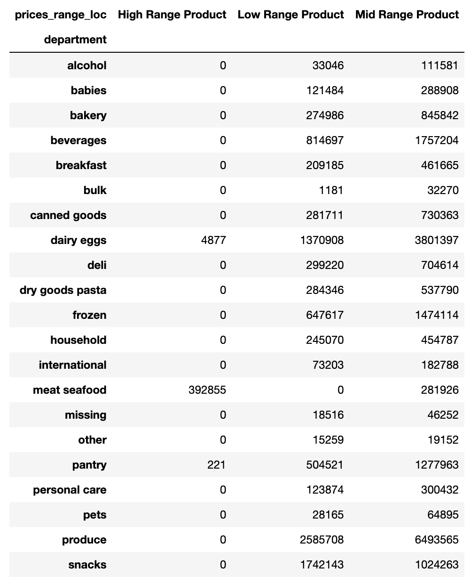

 | Highest Product's Price-Range 1. High Range Products: Meat Seafood & Dairy Eggs 2. Mid-Range Products: Produce & Dairy Eggs 3. Low Range Products: Produce, Snacks & Dairy Eggs

Question 5: What’s the distribution among users in regards to their brand loyalty (i.e., how often do they return to Instacart)?
Brand Loyalty by Customers
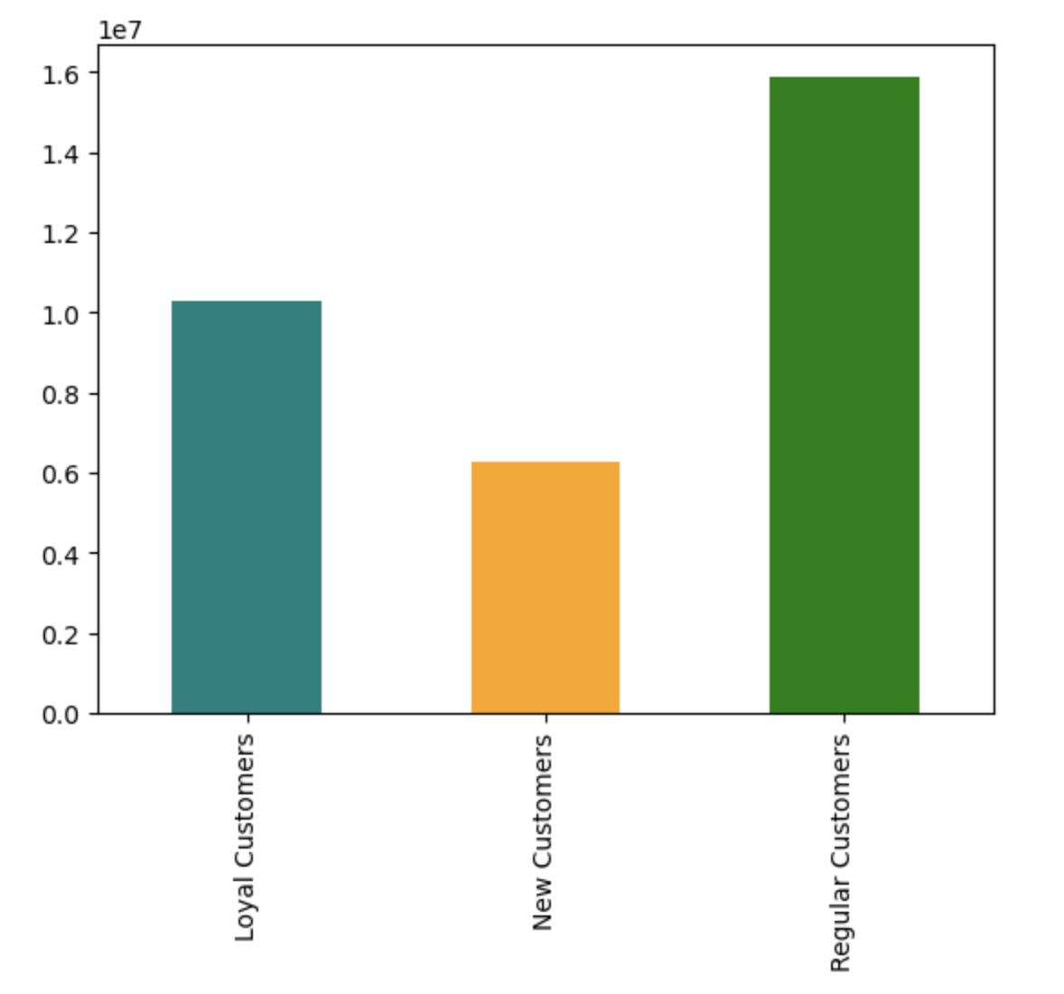
 | Based upon Loyalty_Flag, we see that;

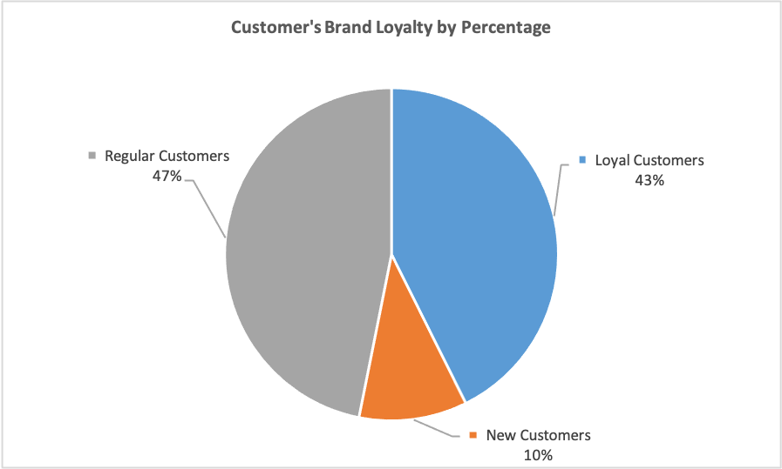

Regular Customers placed more orders than Loyal Customers

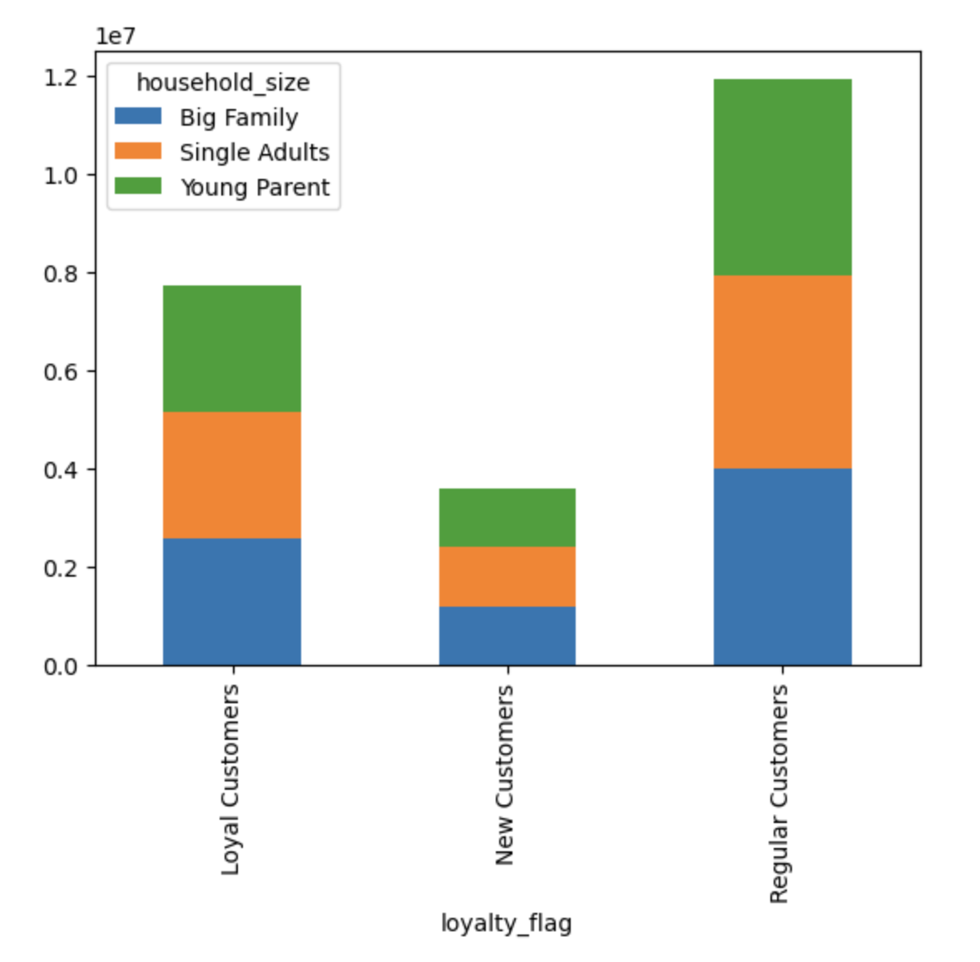
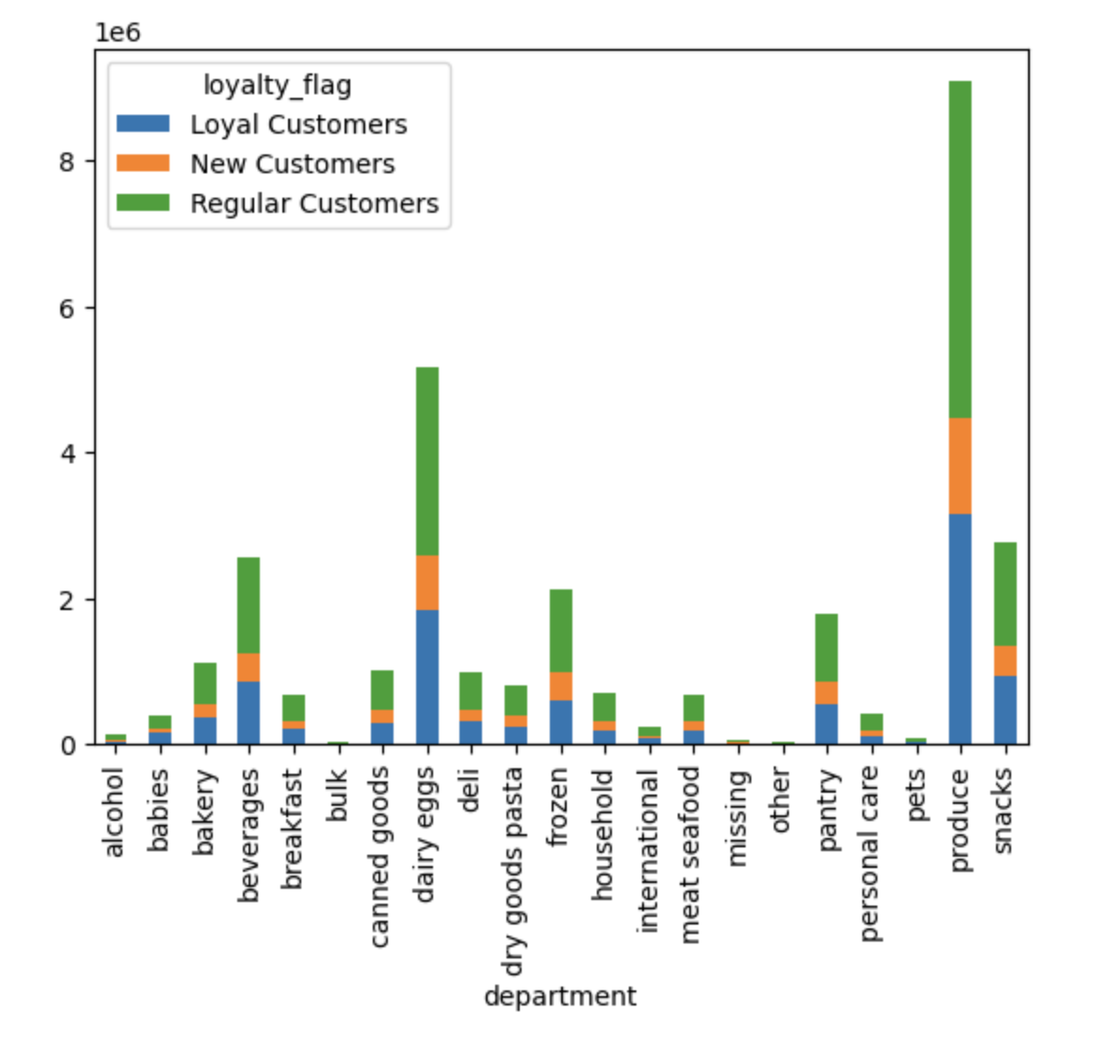

Majority of Regular Customers are Young Parent who have more than 1 child and less than 3 children | 1. No much of a difference can be seen except for Snacks, Frozen and Pantry Departments where there are some spikes in ordering habits. 2. Still Produce Department leads in ordering Habits

Question 6: Are there differences in ordering habits based on a customer’s loyalty status?
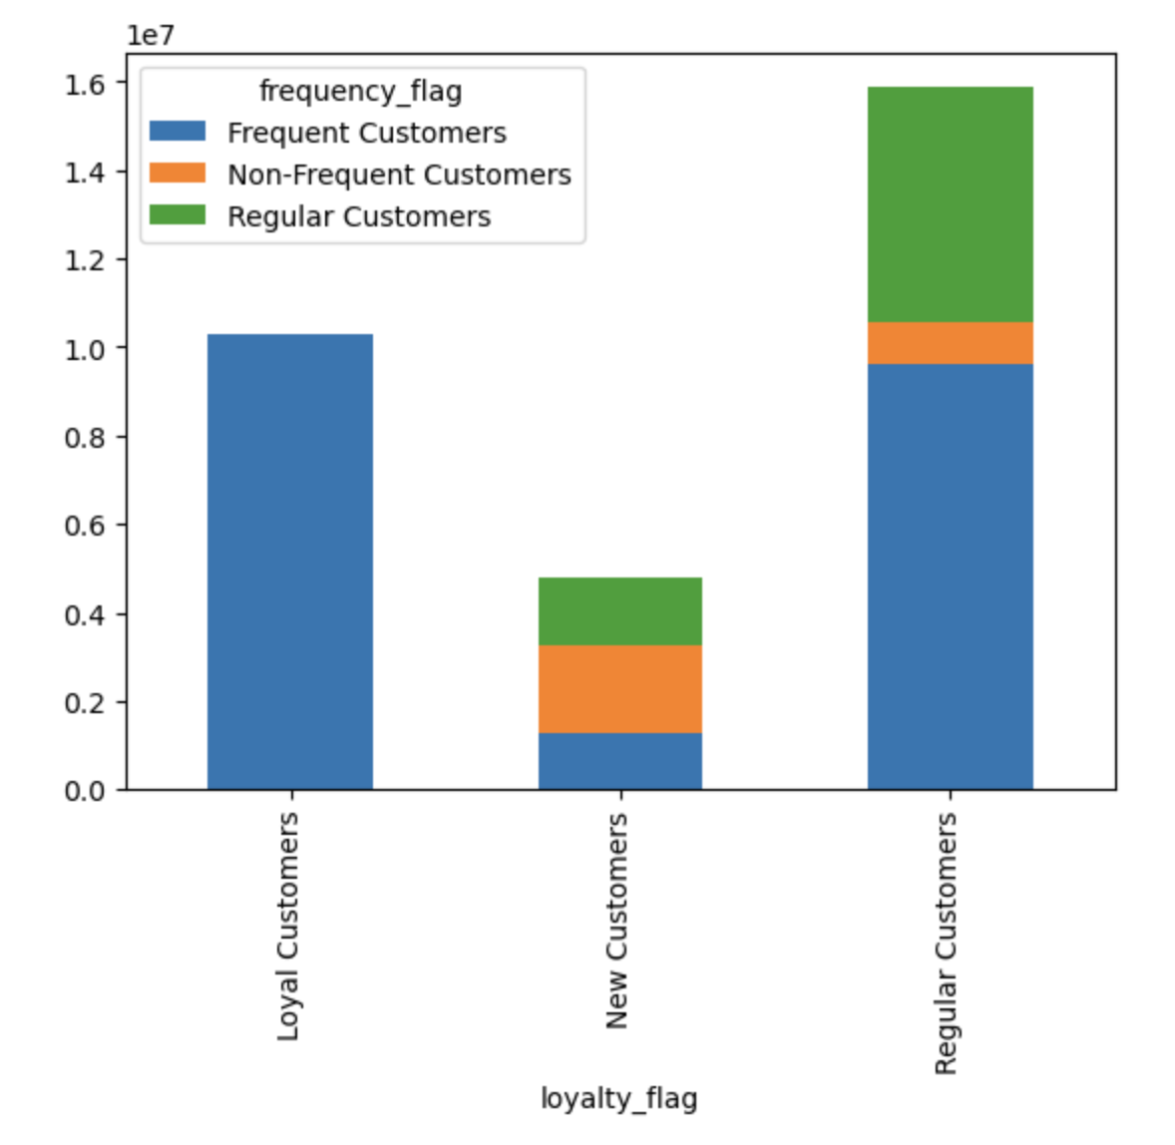

Seems to show no significant difference

Question 7: Are there differences in ordering habits based on a customer’s region?
Ordering Habits per Department by Regions
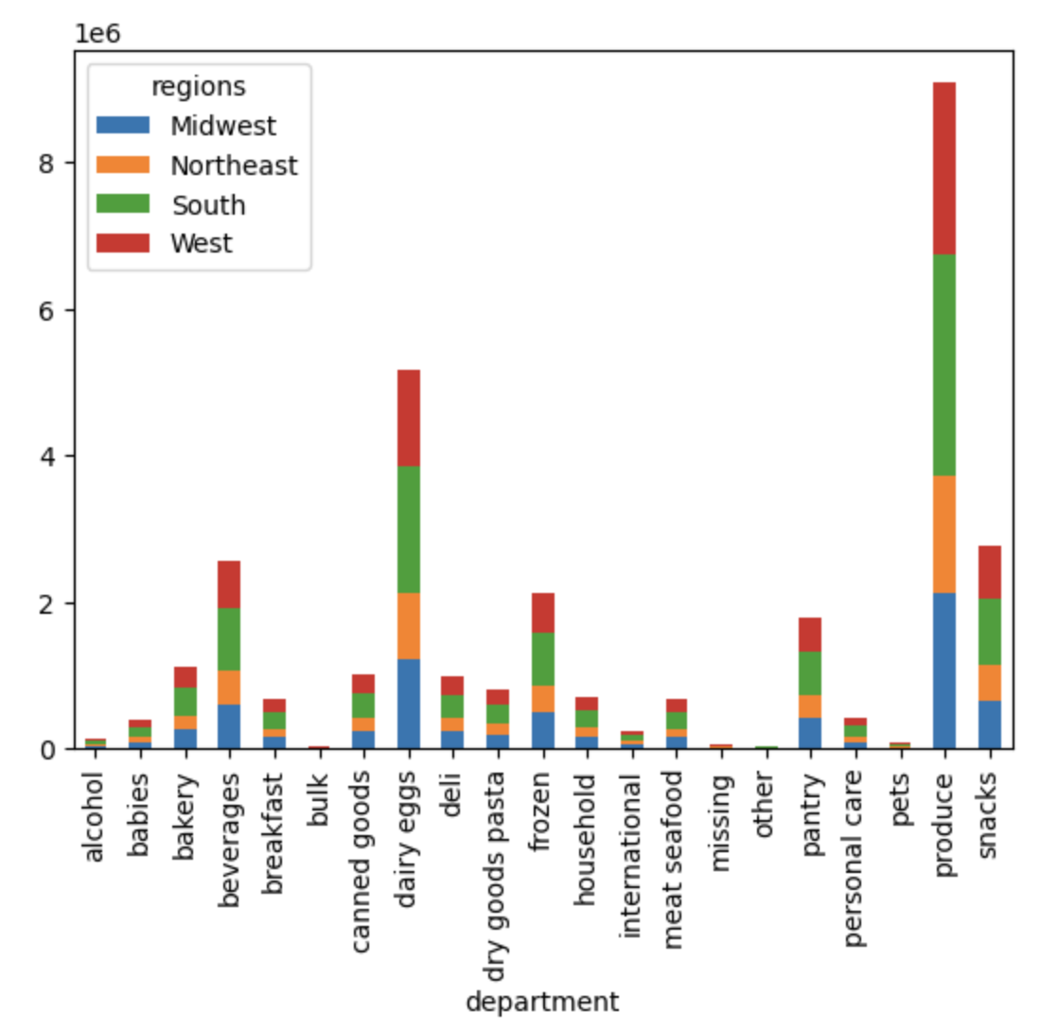

 | Top 5 Departments by Region; South Region led in sales from; 1. Produce 2. Dairy Eggs 3. Snacks 4. Beverages 5. Frozen

Question 8: Is there a connection between age and family status as well as age and earning power in terms of ordering habits?


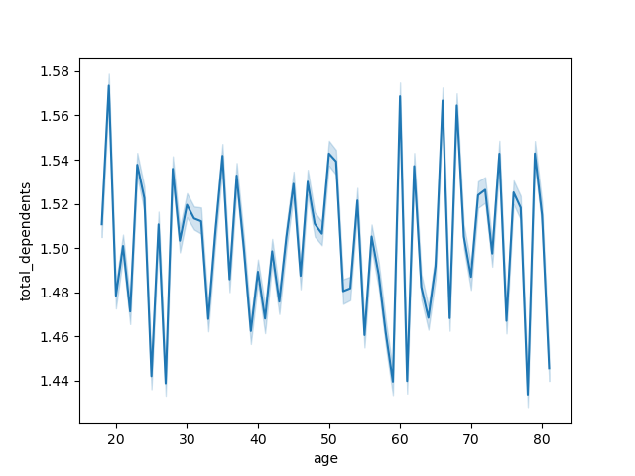
Age - Dependents Relationship Chart

The scatterplot indicates minimal connection. However, Earning power tends to increase from 40 meaning as age goes up so is the Income. | No connection between family size and customer's age

Question 9: What different classifications does the demographic information suggest? Age? Income? Certain types of goods? Family status?

1. There is no major significant differences spotted except a minimal one on Income and Age as the Scatterplot highlights; "higher age leads to more earning power". 2. No much of a difference can be seen except for Snacks, Frozen and Pantry Departments where there are some spikes in ordering habits. 3. Majority of the customers whpo orders the most are Young Parent with atleast 2 children

Question 10: What differences can you find in ordering habits of different customer profiles? Consider the price of orders, the frequency of orders, the products customers are ordering, and anything else you can think of.

Customer's Age Category by Region
Customer's Household Size by Region
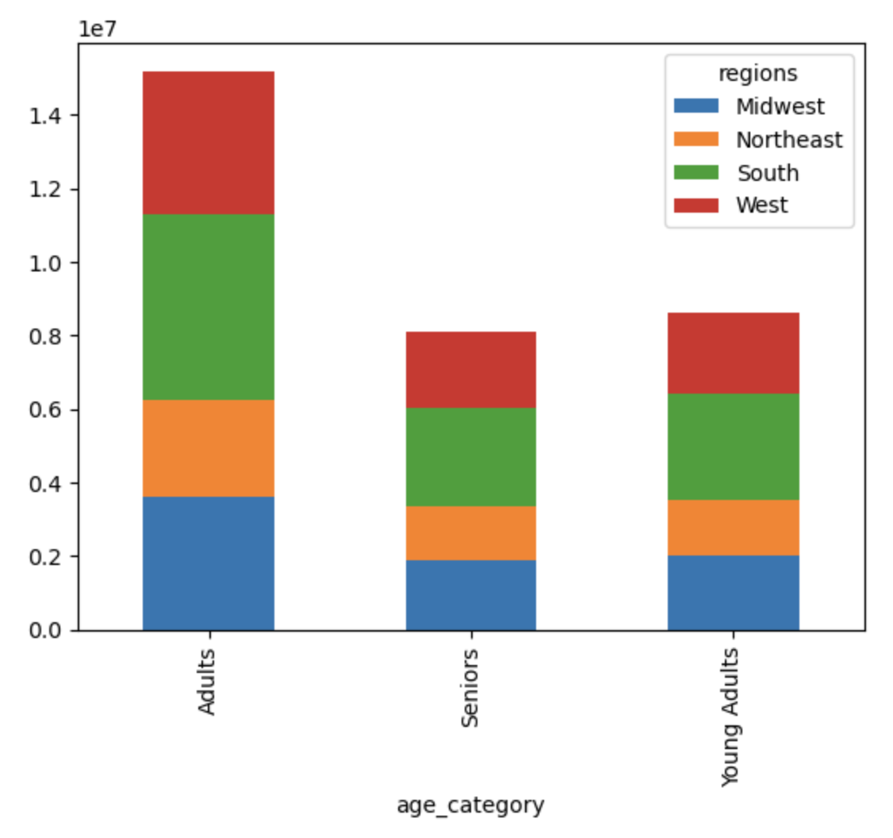
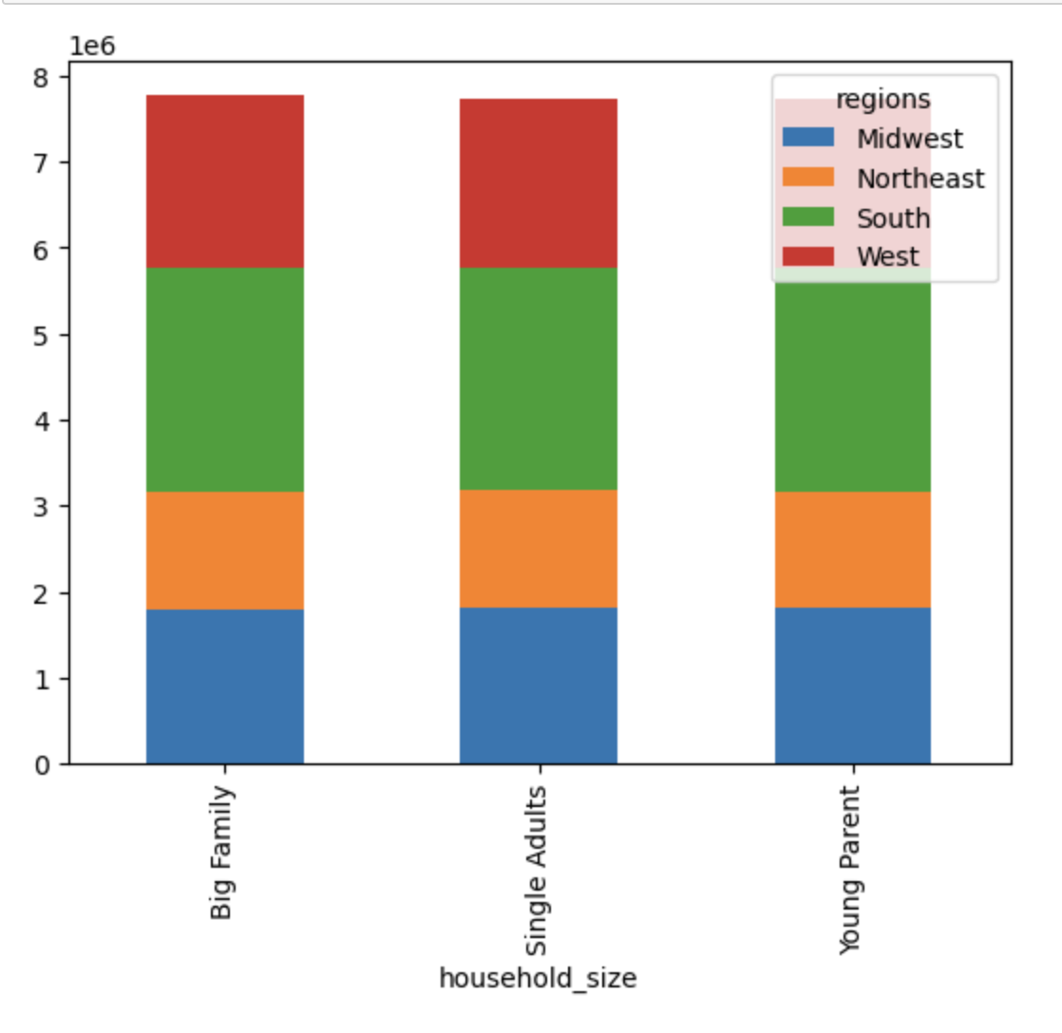

Customer's Marital Status by Department
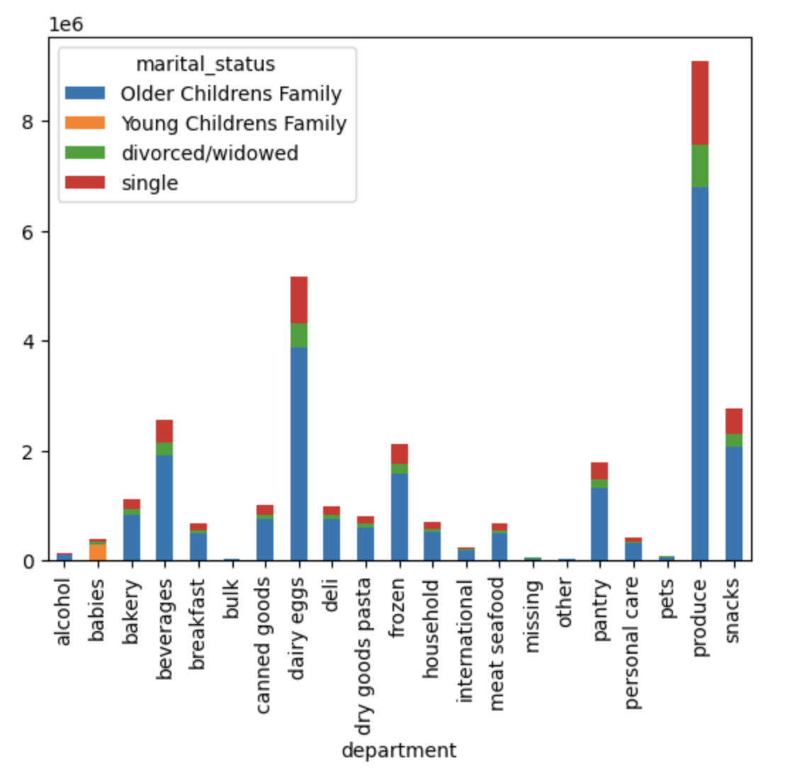
Customer's Income Group by Regions
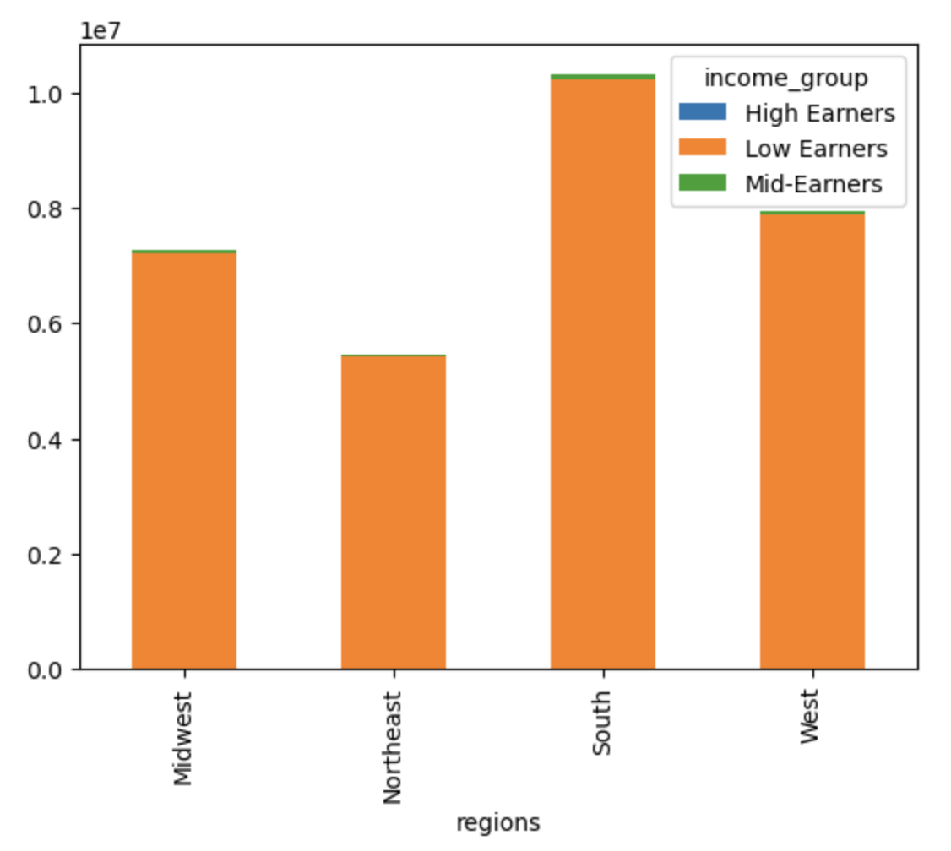

Customer's Household Size by Department
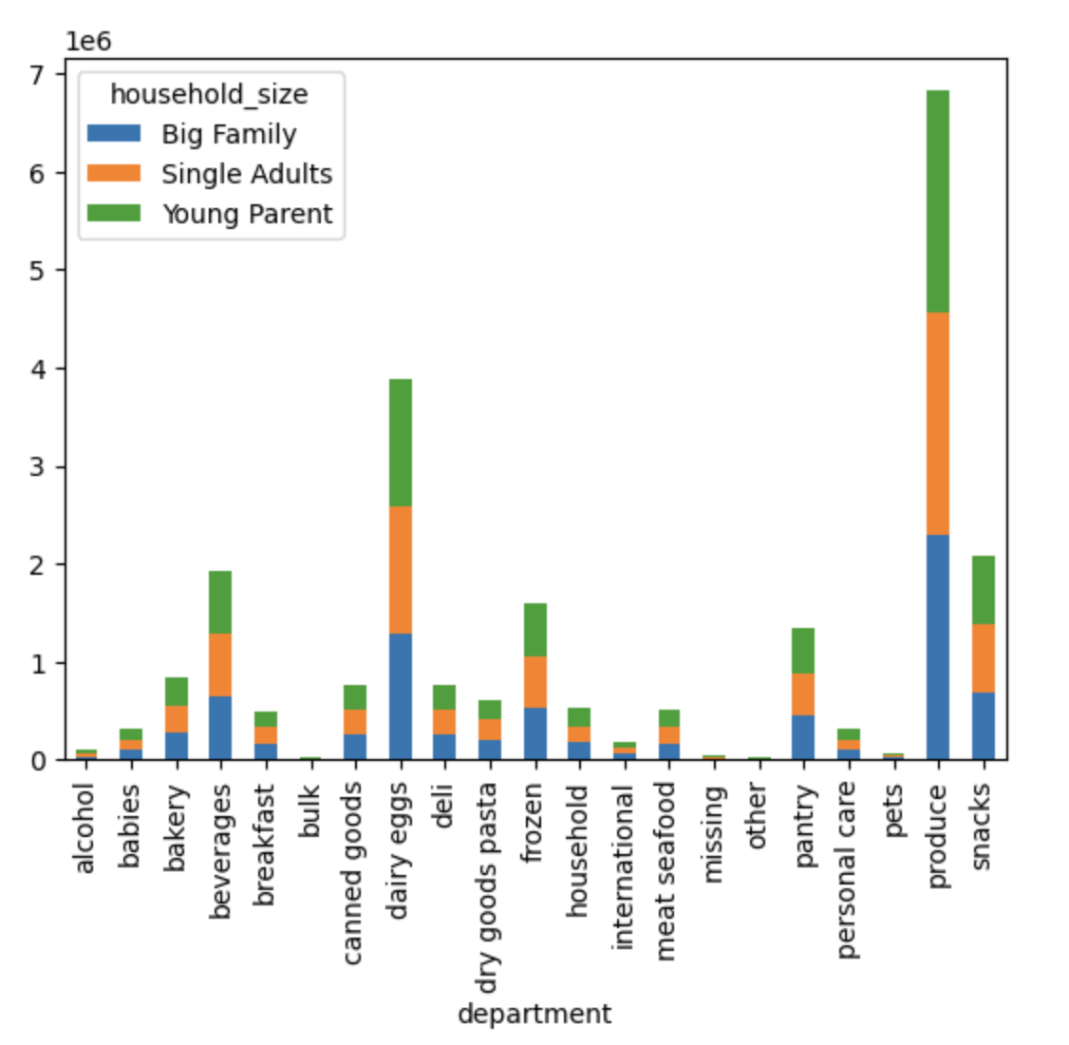
Customer's Age Category by Department
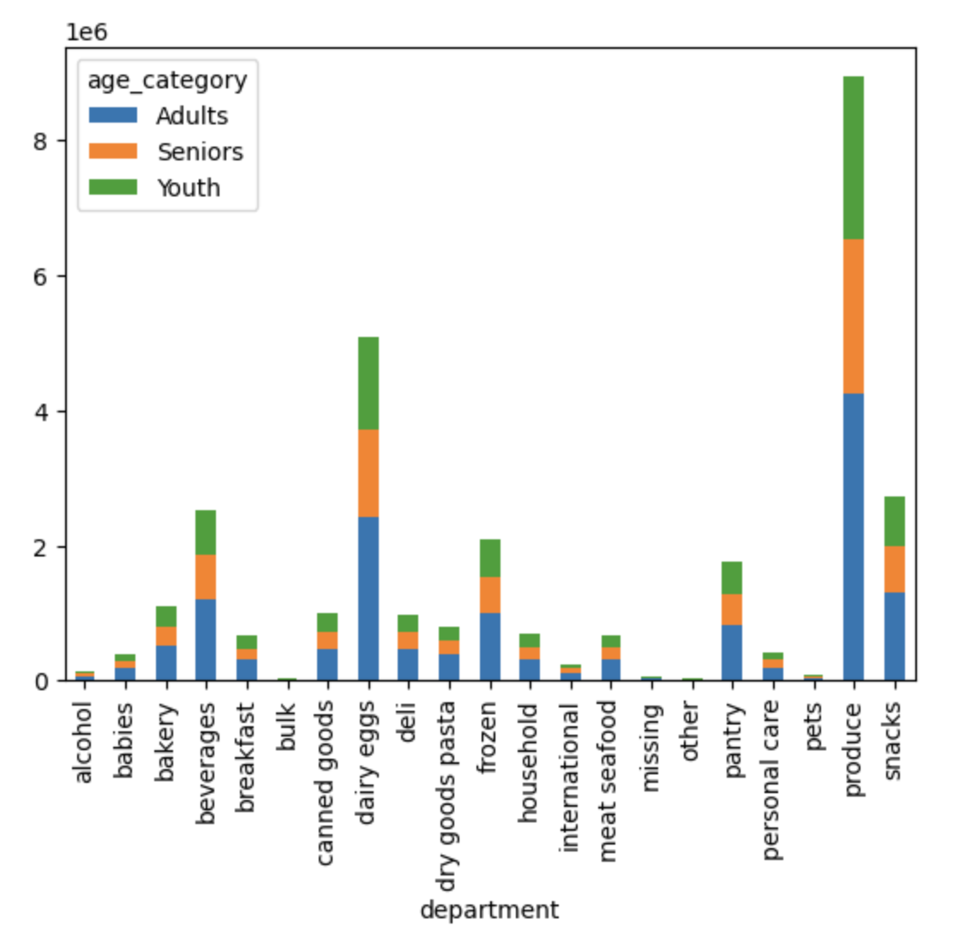

KEYTAKES: 1. Most everyday orders are from Families with Older Childrens followed by Singles then Divorced/Widowed 2. Families with Young Children buys a lot of Babies items. 3. Age Category and Household Size orderings are almost in each and every department. 4. The South Region leads when it comes to Age Category and Household Size.

7. Recommendations
 |  |  |  |  | Title page

Recommendations

In this tab you should include any recommendations you would made to Instcart in terms of their marketing strategy based on the questions posed in the brief. Every key question has been covered in the Tasks of the Exercises - here you need to add an item - a visualisation or table/crosstable that is showing the answer in the data, acompanied by a comment from you. Please, list the questions below and add the answer underneath.

Note: Instacart is a real company that’s made their data available online. However, the contents of this project brief have been fabricated for the purpose of this Achievement.

Key Question 1: What are the busiest days of the week and hours of the day for ads scheduling purposes | Answer 1:
 | Most Orders take place between 10:00am and 17:00pm with the Highest at 10:00am The busiest day is Saturday, but the Busiest Days are Saturday and Sunday (Weekend) Ads can be scheduled between Monday - Wednesday

Prices by Hour of the Day
0 = Saturday
1 = Sunday
2 = Monday
3 = Tuesday
4 = Wednesday
5 = Thursday
6 = Friday
Total Orders by Day of the Week

Hour of the Day
Day of Week

Key Question 2: What particular times of the day do people spend the most money? | Answer 2:
 | The very most orders take place between 10:00am - 11:00am. However, Customer's expenditure shows prices tends to spike around 02:00am - 03:00am before falling to the lowest between 09:00am - 11:00am. Hence, the most is spent in the hours of 10:00am - 11:00am.

Order's Pricing
Customer's Expenditure by Hour of the Day

Hour of the Day

Key Question 3: Instacart has a lot of products with different price tags. Marketing and sales want to use simpler price range groupings to help direct their efforts. | Answer 3:
 | Highest Product's Price-Range: 1. High Range Products: Meat Seafood & Dairy Eggs 2. Mid-Range Products: Produce & Dairy Eggs 3. Low Range Products: Produce, Snacks & Dairy Eggs
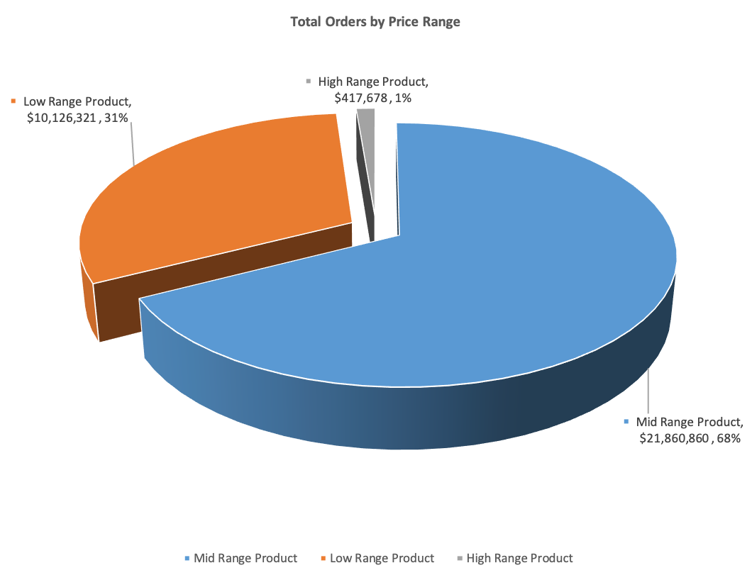
Total Orders by Price Range

 |  | Further data on Visualization Sheet 'Question 4' Table Chart

Key Question 4: Are there certain types of products that are more popular than others? The marketing and sales teams want to know which departments have the highest frequency of product orders. | Answer 4:
 | The Bar Chart graph shows: Produce, Dairy Eggs, Snacks, Beverages and Frozen as the top five product categories for Customers.
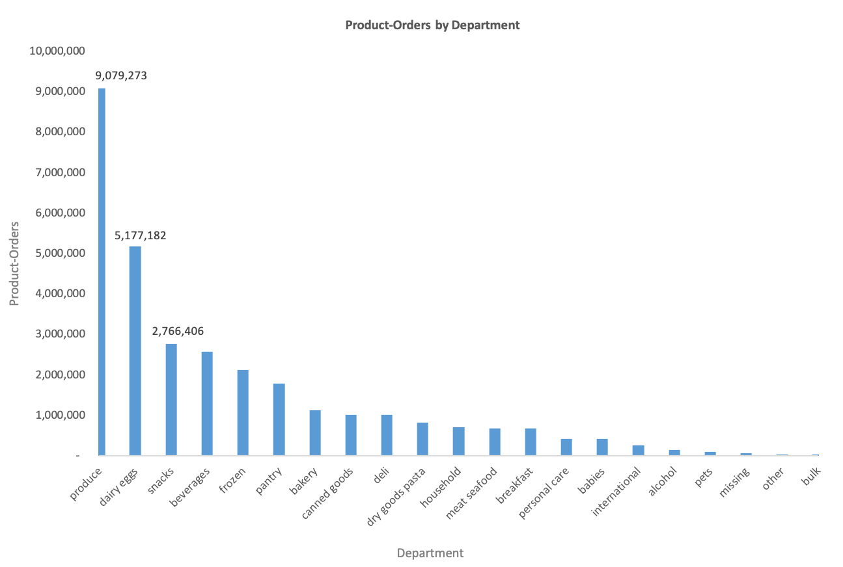
Total Orders by Price Range
Product-Orders by Department

Key Question 5(a): What’s the distribution among users in regards to their brand loyalty (i.e., how often do they return to Instacart)? | Answer 5(a):
 | Regular Customers makes up 47% of Total Orders hence, placed more orders than other groups Loyal Customers take up 43% of Total Orders New Customers just take up 10% of Total Orders
Total Orders by Price Range
Product-Orders by Department

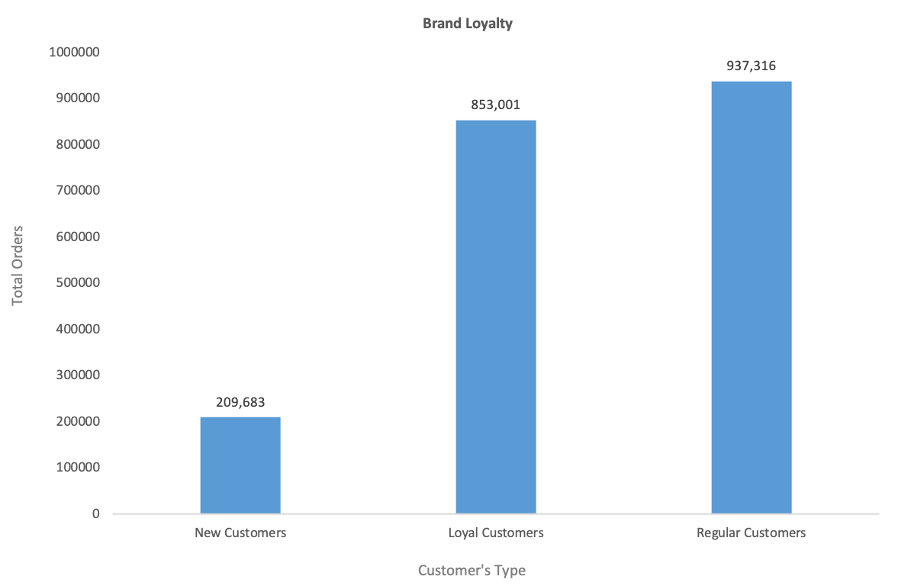

Key Question 5(b): Are there differences in ordering habits based on a customer’s loyalty status? | Answer 5(b):
 | It is noted that; 1. Frequent Customers makes about 21 million (68.48%) of Total Orders 2. Mid-Range Products hold the highest at 20 milion (67.47%) of all Product Orders
Total Orders by Price Range
Product-Orders by Department

Brand Loyalty

Key Question 5(c): Are there differences in ordering habits based on a customer’s region? | Answer 5(c):
 | We see South Region leading in sales from the following Departments; 1. Produce 2. Dairy Eggs 3. Snacks 4. Beverages 5. Frozen
Total Orders by Price Range
Product-Orders by Department

 | Region |  | High Spenders | Low Spenders
 | Midwest |  | 7,589,534 | 7,791
 | Northeast |  | 5,717,129 | 5,607
 | South |  | 10,781,873 | 10,012
 | West |  | 8,284,433 | 8,480

Key Question 5(d): Is there a connection between age and family status in terms of ordering habits? | Answer 5(d):
 | Most products are purchased by Families with Older Children, and it is almost across all departments. For most part all Families at-least purchase products from top three leading departments Regardless of their marital status, people have to eat hence purchases will be made. Thus, marital status does not in large part influence buying behaviours.
Total Orders by Price Range
Product-Orders by Department

Key Question 5(e): What different classifications does the demographic information suggest? Age? Income? Certain types of goods? Family status? | Answer 5(e):
 | Based upon the Scatterplot results; 1. Earning power tends to increase from 40 meaning as age goes up so is the Income. Moreover; 1. We see no connection between family size and customer's age 2. Low Earners are in every Region.
Total Orders by Price Range
Product-Orders by Department

Customer's Household Size by Department
Customer's Age Category by Department

Key Question 5(f): What differences can you find in ordering habits of different customer profiles? Consider the price of orders, the frequency of orders, the products customers are ordering, and anything else you can think of. | Answer 5(f):
 | THE FINDINGS: 1. Most everyday orders are from Families with Older Childrens followed by Singles then Divorced/Widowed 2. Families with Young Children buys a lot of Babies items. 3. Age Category and Household Size orderings are almost in each and every department. 4. The South Region leads when it comes to Age Category and Household Size.
Total Orders by Price Range
Product-Orders by Department

